Expected Carbon Tax
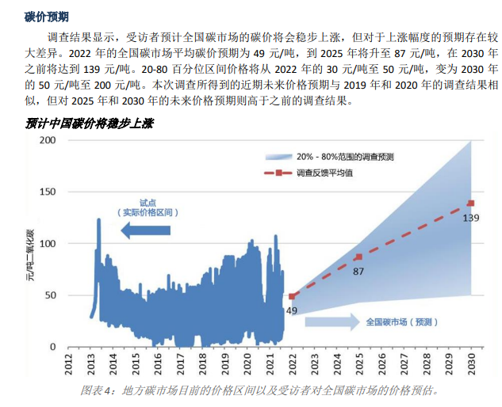
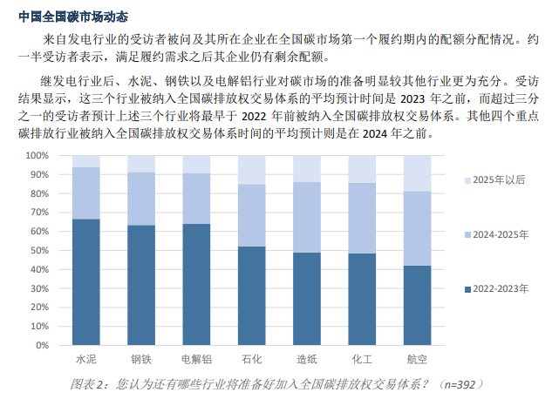

 | 2022 | 2025 | 2030
Expected Carbon Price | 49 | 87 | 139
Expected Carbon Prince (2012 USD) | 6.4617754486 | 10.446477954 | 14.93343492

